MANTA
REF | REQUIREMENT | JUSTIFICATION | CONSTRAINT | SOLUTION BASIC DESCRIPTION | GLD | EDF | JET
 | DISPLAY SYSTEM
1 | Information visible even facing the Sun | Flight at dawn, dusk, or other sun reflecting conditions (above water / Snow) | High brightness | Adjustable brightness (manual or automatic) | TRUE | TRUE | TRUE
2 | Brightness not blinding in low light environment | Flight at dawn, dusk, or night time | Low brightness | Adjustable brightness (manual or automatic) | TRUE | TRUE | TRUE
3 | In all scnenario , display must allow pilot to have a clear view of environment (no white screen) | system anomaly, malfunction, or freeze, resulting in blinding colors or full white screen | No crash / Freeze with any display | Crash mode = black screen | TRUE | TRUE | TRUE
4 | Emergency Manual Shut down button for unexpected malfunction potentially brigntness adjustement Knob or Switch on helmet | If system freezes with blinding screen, pilot should be able to disengage screen. | integrate an emergency shut down button | Manual button to be pushed for 5 sec to shut down screen. | TRUE | TRUE | TRUE
5 | Main color neon green | Statistically best visibility |  |  | TRUE | TRUE | TRUE
6 | Other colors available for specific data | Avoid confusions between critical data | Light Orange, Red, Grey colors available (noticeable colors change | Multicolor display, enough color gradient betwenn orange and red | TRUE | TRUE | TRUE
7 | Basic display configuration adjustable in less than 24h | Findings leading to the need of display configuration basic change for next days session | Basic display configuration accessible to Exopter team. Deeper changes / Configuration to be done by SynSee AI Tech Co. | Software compatibiity and accessibility with Exopter electronic equipment | TRUE | TRUE | TRUE
8 | Deep display configuration adjustable in less than 4 weeks | Findings leading to the need of display configuration deep change | Relevant SynSee AI Tech Co. Staff available within 3 weeks |  | TRUE | TRUE | TRUE
9 | GLD Display differs from EDF / JET Display | information needed are different, add autonomy and power | Switch display configuration easily in less than 15 min | Pre-set modes GLD / EDF / JET, compatibility with Exopter electronic equipment, confirm config through flight plan preparation - diplay mode | TRUE | TRUE | TRUE
10 | Pilot has minimum eye's focus adjustement to make for reading data | Pilot's eye's focus is mostly based on infinite. Changing radically focus leads to loss of environment sight and consciousness, as well as eye muscles tiredness. | Intuitive focus | data display in deep field / background of stereoscopic vision | TRUE | TRUE | TRUE
11 | Optimal data reading in all flight situation | Flight can require all pilots ressources, while needing to inform him/her of crucial data | Display must cover enough field of vision, while remaining non-intrusive / Shielding | Stereoscopic display, thin glasses < 3mm, on demand glass size (within technical feasibility) | TRUE | TRUE | TRUE
12 | System fits into Tonfly TFX helmet | Best helmet currently available and used by team pilots | Helmet dimensions, including visor closing sequence | Dummy TFX helmet for test and buiding system | TRUE | TRUE | TRUE
13 | Fog and steam condensation low sensibility | Pilot's warm and humid breath into helmet, with low outside temperatures | Low condensation glass surface during ascent / flight | Glass inner treatment or surface spray | TRUE | TRUE | TRUE
14 | Compatibility with possible polarized helmet visor | perpendicular polarization leads to light screening | Polarization compatibility | No polarization on display glasses | TRUE | TRUE | TRUE
15 | Integration of communication systems (air to air / air to ground) | Air to air and Air to ground constant communication | Head set (speaker and microphone) into helmet, GPS above helmet, air probe mounted on Wing, VHF radio mounted on seat |  | TRUE | TRUE | TRUE
 | DISPLAY CONFIGURATION
16 | Air Speed unit in kilometers per hour (km/h) |  |  |  | TRUE | TRUE | TRUE
17 | Height unit in meters (m) AGL (Above Ground Level - destination) abillity to switch to AMSL (Above Mean Sea Level) |  | display ALT when AMSL |  | TRUE | TRUE | TRUE
18 | Horizontal Distance to destination unit in kilometers (km) |  | 2 digits maximum => only units above 9.9 km, only 1 decimal below 10 km |  | TRUE | TRUE | TRUE
19 | Total absolute Distance to other pilots (TCAS) in decameters (m/10) + vertical separation arrow down/up |  | Calculation of absolute distance |  | TRUE | TRUE | TRUE
20 | Glide = Distance covered / height loss = no unit |  | negative number when going up / climbing |  | TRUE | TRUE | TRUE
21 | Temperature in Celsius degrees (°C) system and battery |  | negative number when below 0°C |  | FALSE | TRUE | TRUE
22 | Input Power unit in % |  |  |  | FALSE | TRUE | TRUE
23 | Glide Digits position top left corner
24 | Air Speed Digits position just below Glide
25 | Height Digits position below Air Speed, changing by scrolling up or down (like aviation altitude) | Digit's change's sequence differs from Air Speed sequence to allow less confusion. Also, seeing the digit moving up or down gives the pilot information about vertical speed. | Space between display of Height and Speed digits should be slightly bigger than between Glide and Speed digits. | Software Program
26 | Compass indicating North in the right hand corner | Pilot need to know the global heading | Colors different from Green
27 | way point direction = arrow under compass
28 | way point = vertical cylinder of XXX meters of diameter from ground to 10000m altitude. Entering cylinder = way point crossed => go to next way point | Not possible to fly exactly vertical to way point => way point must be represented by a vast volume. Diameter of cylinder must be adjustable before flight (between 50m to 300m, for example)
29 | terrain awareness on path to destination = if current flight path brings pilot below 1000m above ground (Google Earth or other representation of terrain, based on WGS84 earth topography) => then the goggles must display all the terrain between flight path and 1000m below expected flight path. Expected flight path evolves constantly with pilot's maneuvers. Terrain display accordingly. | 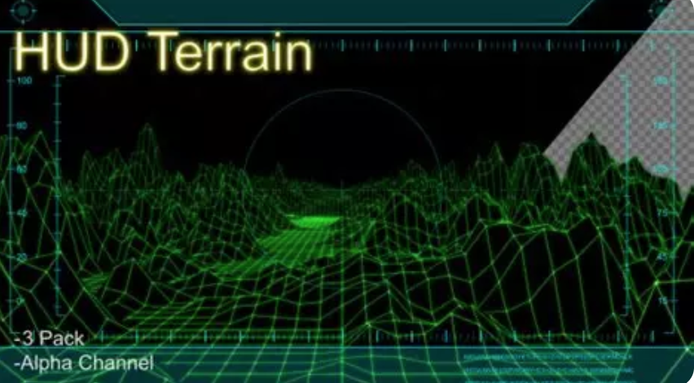
30 | fault warning display in specific area | If one sensor or one parameter is erratic (watch dog) and cannot be confirmed correct, an warning must appear to tell the pilot not to rely on this parameter.
31
32 | SENSORS: (refresh rate / redundancy)
33 | Gyroscope
34 | Accelerometer
35 | Magnetometer
36 | Gps
37 | Pressure sensor (static and kiel probe)
38
39 | FUNCTIONS:
40 | navigations way point
41 | Recording flight data and upload to Exopter server and SD card (with option to operate manually on demand)
42 | Generating CSV files and graph, KMZ for analyzing/comparing 3D path, direct integration into app with map
43 | Mobile app for Logbook pilot and maintenance schedule follow up / Flight preparation Check list
44 | Displaying main flight information on HUD (speed, altitude, attitude, finesse, heading, tcas, etc...)
45 | Pilot intercom (like cardo, shockz, dual skyfive/intercom) A2A
46 | Pilot VHF communication - A2A & A2G compatible with aviation VHF
47 | Pilot and wing independant localization realtime - switch on/off (military)
48 | Built In Test Equipment, watch dog, start-up test difference pilot/operator - CMS functions connected with wing systems (engine control/esc/bms/temp/etc...) | Use of SynSee data center for operating start up tests, instead of plugging another device. These tests are check-up of all systems, during start-up or on demand.
49 | Flight information instrument redundancy (hardware)
50 | audible altimeter correlation with display. Audible altimeter is build in the system, and uses static pressure as main parameter for calculation. | Wingsuit and Exopter pilots use audible altimeter as redundancy to visual altimeters
51 | emergency rapid deactivation
52 | segregration of information (hardware different audible/display)
53 | camera syncro = place a marker on data and start chronometer when exiting the aircraft (T0 = exit)
54 | live feed transmission (SkyFive) for flight info + camera for air show
55 | lightweight
56 | aerodynamic if outside (antenna)
57 | wireless for display / wired for engine control
58
59 | equipment localisation
60 | on wing: pitot pressure sensor and GPS and camera
61 | on seat: attitude and GPS and VHF
62 | on helmet: GPS and intercom and camera
63
64 | prototype for 1st flight test requirements
65
66 | weather constraint
67
68 | manage GPS aqusition inside an airplane - correlation with gyro/accelero
69
70 | simulation for training

 | SENSOR
1.1 | AIR SPEED |  | MATEK ASPD-AUAV | AILE DROITE EMPLANTURE CONNECTION SUBD AILE/FUSELAGE
1.2 | STATIC PORT AND KIEL PROBE
1.3 | SILICON TUBE
2 | IMU |  | BN0086 | AU PIUS PROCHE DU CENTRE DE GRAVITE |  |  |  | G meter Range: ±8g • Gyroscope Range: ±2000°/s • Magnetometer Range: ±8 Gauss • Maximum Sensor Data Rates: o Gyro Rotation Vector: Up to 1000Hz o Rotation Vector & Game Rotation Vector: Up to 400Hz o Geomagnetic Rotation Vector: Up to 90Hz o Accelerometer: Up to 500Hz o Gyroscope: Up to 400Hz o Magnetometer: Up to 100Hz
3 | GPS | 20HZ | M9N | EXTRADOS CENTRAL MILIEU DERRIERE LE PARACHUTE
4 | ESP32
 | ALIM
 | BATTERY NIMH + CHARGEUR USB ACCESSIBLE U

 | STATE | ON/NEED CALIBRATION//READY/RECORD/LOW BAT/CHARGED
 | LED TEMOIN
 | SWITCH DEPORTE

